KKO
KAJIAN KELAYAKAN OPERASI

DAYA LAMA |  |  |  | DAYA BARU
Nama Pelanggan | : | PB MARGONO 7700 VA |  | Nama Pelanggan | : | PB MARGONO 7700 VA
Daya Lama (VA) | : | 0 |  | Daya Baru (VA) | : | 7700
Jumlah Fasa | : | 1 | * | Jumlah Fasa | : | 1
Tegangan Sekunder Pengukuran rata-rata (Fasa-Netral) (V) | : | 220 | * | Tegangan Sekunder Pengukuran rata-rata (Fasa-Netral) (V) | : | 220
Beban Pelanggan (A) | : | 0.00 |  | Beban Pelanggan (A) | : | 35.10

SUPLAI TRAFO EKSISTING |  |  |  | SUPLAI TRAFO RENCANA
Nomor Tiang | : | K2-621/309 |  | Nomor Tiang | : | K2-621/310
Penyulang | : | PWI10 |  | Penyulang | : | PWI10
Daya | : | 50 | * | Daya | : | 50
Jumlah Fasa | : | 1 | * | Jumlah Fasa | : | 1
Beban TRAFO (Pengukuran Lapangan) |  | 186 |  | Beban TRAFO | : | 35.10
Beban Primer | : | 4.33 | * | Beban Primer | : | 4.33
Beban Sekunder | : | 227.90 | * | Beban Sekunder | : | 227.90
Beban (A) | : | 0.23 |  | Beban (A) | : | 0.23
Prosentase Pembebanan | : | 82% |  | Beban (A) | : | 15%
 | 15% | 100%
Prosentase Pembebanan | : | 100% |  | Beban (A) | : | 100%

DATA





DATA
Tahun | : | 2023
Discount Rate | : | 12%
Transfer price TM | : | 1,084 |  | Marginal COST maret 2022
Umur ekonomis (tahun) | : | 25.00
Selisih Susut Teknis | : | 2.25%
∑ Daya | : | 8
BP (Rp) | : | 7,461,300
RAB (Rp) | : | 36,229,435
Biaya O&M (2% invest) | : | 724,588.69

Nama Pelanggan | : | PB MARGONO 7700 VA | *
Golongan Pelanggan | : | B1T | *
Jenis Layanan | : | REGULER | *
Daya Lama (kVA) | : | - | *
Daya Baru (kVA) | : | 7.70 | *
Tarif WBP (Rp/kWh) | : | 1,444.70 | *
Tarif LWBP (Rp/kWh) | : | 1,444.70 | *
BP (Rp/VA) TR | : | 969 | *
Jam Nyala | : | 40 | *

RAB
 | PT. PLN ( PERSERO )
 | UNIT INDUK DISTRIBUSI JAWA TENGAH & DI YOGYAKARTA |  |  |  |  |  |  |  |  |  |  | RAB TOTAL
 | UP3 DEMAK |  |  |  |  |  |  |  |  |  | RAB TOTAL | RAB NON MDU
RENCANA ANGGARAN BIAYA (RAB)

 |  |  | Pekerjaan | : | PB MARGONO 7700 VA
 |  |  | Lokasi | : | DSN. MOJOLEGI DS. BANDUNGHARJO
 |  |  | Pelaksana | : | PT. PLN (PERSERO) UP3 DEMAK
 |  |  | Anggaran | : | SAR 2023

Note !! 1. Saat Pengisian Uraian di mohon memasukan nama material sesuai dengan nama material di harga satuan
2. Mohon di cek kembali saat pengisian volume material
3. Untuk program Sarana Penunjang Fungsi tidak perlu SLO.
NO | URAIAN | GOL | SAT | VOL | HARGA SATUAN | BIAYA YANG DIPERLUKAN ( Rp )
 |  |  |  |  |  | MDU | HARDWARE | JASA | JUMLAH

 |  |  |  |  | 0 | 0 | 0 | 0 | 0
 |  |  |  |  | 0 | 0 | 0 | 0 | 0
I | PEMASANGAN KONSTRUKSI |  |  |  | 0 | 0 | 0 | 0 | 0 | #REF!
+ | Trafo 1 Fasa CSP 50 KVA (G105, G106, G136) |  | Unit | 1 | 0 | 0 | 0 | 0 | 0 | #REF!
1 | Trafo 1 Fasa CSP 50 kVA | MDU-KD | Bh | 1 | 27,845,400 | 27,845,400 | 0 | 0 | 27,845,400
2 | Jumper Wire : |  |  |  | 0 | 0 | 0 | 0 | 0
 | AAAC 70 mm² | MDU-KD | Mtr | 2 | 14,200 | 28,400 | 0 | 0 | 28,400
 | NFA2X-T 2 x 70 + N 70 mm² | MDU-KD | Mtr | 2 | 53,300 | 106,600 | 0 | 0 | 106,600
3 | Hot Line Clamp ( 35mm² s/d 70 mm² ) | HDW | Bh | 1 | 87,000 | 0 | 87,000 | 0 | 87,000
4 | Bracket band segment,vertikal plat ( Hot dip galvanis ) | HDW | Bh | 2 | 404,600 | 0 | 809,200 | 0 | 809,200
5 | Compresion Conector H type 70 mm² / 70 mm² | HDW | Bh | 3 | 15,900 | 0 | 47,700 | 0 | 47,700
6 | Compresion Terminal Lug 70 mm² | HDW | Bh | 2 | 17,100 | 0 | 34,200 | 0 | 34,200
7 | Sepatu Kabel AL/CU Ring-70 mm² | HDW | Bh | 4 | 49,000 | 0 | 196,000 | 0 | 196,000
8 | Armour Rod # for 70 mm² | HDW | Set | 1 | 67,800 | 0 | 67,800 | 0 | 67,800
9 | Ground wire Cu 16 mm² | HDW | Mtr | 2 | 30,000 | 0 | 60,000 | 0 | 60,000
10 | Upah Pasang Trafo 1 Fasa 50 KVA + Bracket | JASA | Unit | 1 | 346,400 | 0 | 0 | 346,400 | 346,400
 |  |  |  |  | 0 | 0 | 0 | 0 | 0
+ | CM2-11M |  | Unit | 2 | 0 | 0 | 0 | 0 | 0
1 | Ground rod ⅝" x 8" Copper Weld | HDW | Bh | 2 | 185,200 | 0 | 370,400 | 0 | 370,400
2 | Bimetalic Connector 35 - 240 mm² | HDW | Bh | 2 | 47,459 | 0 | 94,918 | 0 | 94,918
3 | Clamp Ground Rod ⅝" | HDW | Bh | 2 | 4,880 | 0 | 9,760 | 0 | 9,760
4 | Ground wire Cu 16 mm² | HDW | Mtr | 20 | 30,000 | 0 | 600,000 | 0 | 600,000
5 | Ground rod & Washer | HDW | Bh | 4 | 9,500 | 0 | 38,000 | 0 | 38,000
6 | Pipa PVC ½" | HDW | Bh | 11 | 6,100 | 0 | 67,100 | 0 | 67,100
7 | Stopping Buckle / Yokes | HDW | Bh | 12 | 2,300 | 0 | 27,600 | 0 | 27,600
8 | Stainless Steel Strap 20 X 0.7 mm | HDW | Mtr | 9.6 | 23,310 | 0 | 223,776 | 0 | 223,776
9 | Upah Pasang Acc.Jar M2-11M | JASA | Unit | 2 | 65,400 | 0 | 0 | 130,800 | 130,800
 |  |  |  |  | 0 | 0 | 0 | 0 | 0 | #REF!
II | PEMASANGAN APP |  |  |  | 0 | 0 | 0 | 0 | 0
+ | Daya 11.000 VA |  | Unit | 1 | 0 | 0 | 0 | 0 | 0
1 | KWH MPB; 1P;230V;5(60)A;1;2W | MDU-KD | Bh | 1 | 327,600 | 327,600 | 0 | 0 | 327,600
2 | MCB 1 Fasa 35 A | MDU-KD | Bh | 1 | 39,000 | 39,000 | 0 | 0 | 39,000
3 | NFA2X 2 x 16 mm² | MDU-KD | Mtr | 35 | 6,600 | 231,000 | 0 | 0 | 231,000
4 | Upah Pasang SR + APP 1 Fasa | JASA | Unit | 1 | 54,400 | 0 | 0 | 54,400 | 54,400
 |  |  |  |  | 0 | 0 | 0 | 0 | 0
 |  |  |  |  | 0 | 0 | 0 | 0 | 0 | #REF!
 | SLO |  |  |  | 0 | 0 | 0 | 0 | 0 | #REF!
1 | Sertifikasi Laik Operasi | JASA | Lot | 1 | 2.5% | 714,450 | 68,336 | 13,290 | 796,076
 |  |  |  |  |  | 0 | 0 | 0 | 0

 | Jumlah MDU - Hardware - Jasa |  |  |  | : | 29,292,450 | 2,801,790 | 544,890 | 32,639,130
 | PPN 11% |  |  |  | : | 3,222,170 | 308,197 | 59,938 | 3,590,304
 | Jumlah Total |  |  |  | : | 32,514,620 | 3,109,987 | 604,828 | 36,229,435 | 201,265,205
Terbilang : Tiga Puluh Enam Juta Dua Ratus Dua Puluh Sembilan Ribu Empat Ratus Tiga Puluh Lima Rupiah

Harga yang dipakai adalah RAB HSS 2023

 |  |  |  |  |  |  | Demak, 30Agustus 2023
 |  |  |  |  |  |  | ASMAN PERENCANAAN

 |  |  |  |  |  |  | VALENTHINA EKA SABTI WONOHUSODO

GAMBAR
 |  |  | PT. PLN (PERSERO) UP3 DEMAK

jL RAYA PURWODADI - SOLO
 | -7.181679, 110.896657 |  | Keterangan Gambar :
 |  |  | No | Nama Material |  |  | Baru |  | Eksisting
 |  |  | 1 | Tiang Beton
A |  |  | 2 | Tiang Besi
 |  |  | 3 | JTM 3 Fasa
 |  |  | 4 | JTM 1 Fasa
 |  |  | 5 | JTR 1 Fasa Only / UB
 |  |  | 6 | JTR 3 Fasa Only / UB
 |  |  | 7 | Trafo 1 Fasa
 |  |  | 8 | Trafo 3 Fasa
s
s
 |  |  | 9 | Fuse Cut Out
A |  |  | 10 | ABSW
 |  |  | 11 | Vang Net
 |  |  | 12 | Schoor
50KVA
 |  |  | 13
s
s
JL DSN. MOJOLEGI
K2-803
1 C12-200E
1 CC1
1 CA-5
1 G136 50 KVA
1 CJ6-T
 |  |  | Bongkar Pasang Konstruksi :
 |  |  | Pasang |  |  |  | Bongkar
 |  |  | CG-106 |  |  | 1
 |  |  | CM2-11M |  |  | 2

K2-803/5
1 C12-350
1 CG-106
2 CM2-11M
1 CA-5
1 F1-3
1 CE1-3
1 CM2-12A
3 CJ5
3 CJ6
1 CM2-12
UKURAN BEBAN
X1 : 98 A
X2 : 112 A
N : 15,1 A

 |  |  | Keterangan Tambahan :

 |  |  | Golongan
 |  |  | No. Gambar |  | 1 |  |  | Lembar |  | dr
 |  |  | Gambar dari |  |  |  |  | Skala
 |  |  | Perihal:
 |  |  | PB MARGONO 5500 VA

 |  |  | Digambar |  | Spv. Rensis
 |  |  | Diperiksa |  | Man. Perencanaan
 |  |  | Diketahui |  | Man. Perencanaan
 |  |  | Disetujui |  | Manager

 |  |  | PT. PLN (PERSERO) UP3 DEMAK

 | -7.181679, 110.896657 |  | Keterangan Gambar :
 |  |  | No | Nama Material |  |  | Baru |  | Eksisting
 |  |  | 1 | Tiang Beton
 |  |  | 2 | Tiang Besi
 |  |  | 3 | JTM 3 Fasa
 |  |  | 4 | JTM 1 Fasa
 |  |  | 5 | JTR 1 Fasa Only / UB
 |  |  | 6 | JTR 3 Fasa Only / UB
 |  |  | 7 | Trafo 1 Fasa
 |  |  | 8 | Trafo 3 Fasa
s
s
 |  |  | 9 | Fuse Cut Out
 |  |  | 10 | ABSW
 |  |  | 11 | Vang Net
 |  |  | 12 | Schoor
 |  |  | 13

 |  |  | Bongkar Pasang Konstruksi :
 |  | A | Pasang |  |  |  | Bongkar
 |  |  | C9-200 |  |  | 7
 |  |  | F1-2 |  |  | 3
 |  |  | CE1-2 |  |  | 3
JL DSN. MOJOLEGI
 |  |  | CM2-12A |  |  | 3
 |  |  | CJ5 |  |  | 3
 |  |  | CJ5-T |  |  | 4
 |  |  | CJ6-T |  |  | 4
 |  |  | APP 5500 VA |  |  | 1
 |  | A

 |  |  | Keterangan Tambahan :

 |  |  | Golongan
 |  |  | No. Gambar |  | 1 |  |  | Lembar |  | dr
 |  |  | Gambar dari |  |  |  |  | Skala
APP PRABAYAR 7700 VA
SR 2X16 = 40M
 |  |  | Perihal:
 |  |  | PB MARGONO 5500 VA

 |  |  | Digambar |  | Spv. Rensis
 |  |  | Diperiksa |  | Man. Perencanaan
 |  |  | Diketahui |  | Man. Perencanaan
 |  |  | Disetujui |  | Manager

PETA
PETA LOKASI

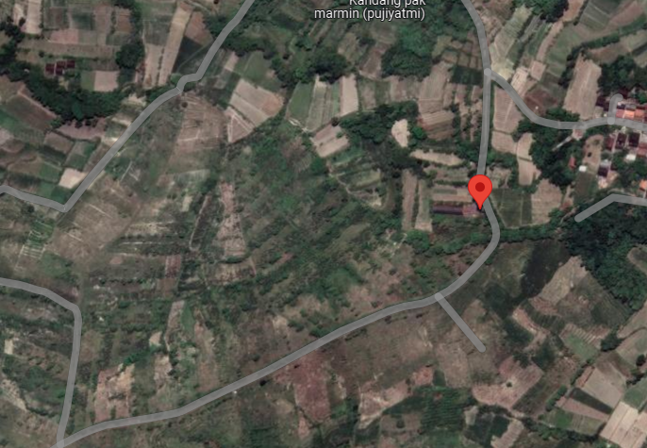

RS TRI MEDIKA KETAPANG

SLD
SINGLE LINE DIAGRAM LOKASI

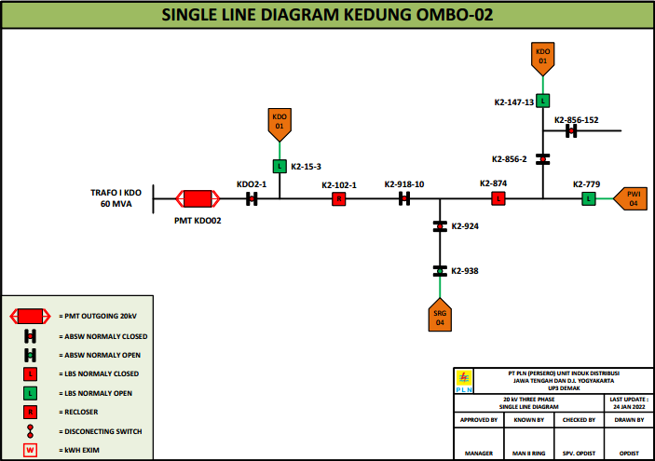

lokasi

